Cognitive Screening - AMT
Form Data Collection Template
Name of Form: |  | Geri - AMT
Modality: (enter "Public Facing", if this form is a public facing form) (enter "Others", if this form is to be used in the Event and does not belong to any Modality |  | Geriatrics

 | Label Text | Type | Mandatory | Validation | Condition | Value 1 | Value 2 | Value 3 | Value 4 | Value 5 | Value 6 | Value 7 | Value 8 | Value 9 | Value 10 | Mapping Form | Mapping Section
 | 1.1 ABBREVIATED MENTAL TEST (for dementia) | Label | - | - | - |  |  |  |  |  |  |  |  |  |  | Dr Consult Summary | Mental Health (AMT)
 | Please select ‘Yes’ if participant answered correctly or ‘No’ if participant answered incorrectly. | Small Label | - | - | - |  |  |  |  |  |  |  |  |  |  | Dr Consult Summary | Mental Health (AMT)
 | 1) What is the year? 请问今是什么年份？ | Small Label | Yes | - | - | - | - |  |  |  |  |  |  |  |  | Dr Consult Summary | Mental Health (AMT)
 | Was Q1 answered correctly? | Radio | Yes | - | - | Yes (Answered correctly) | No (Answered incorrectly) |  |  |  |  |  |  |  |  | Dr Consult Summary | Mental Health (AMT)
 | 2) About what time is it? (within 1 hour) 请问现在大约是几点钟 （一在一个小时之内）？ | Small Label | Yes | - | - | - | - |  |  |  |  |  |  |  |  | Dr Consult Summary | Mental Health (AMT)
 | Was Q2 answered correctly? | Radio | Yes | - | - | Yes (Answered correctly) | No (Answered incorrectly) |  |  |  |  |  |  |  |  | Dr Consult Summary | Mental Health (AMT)
 | Ask volunteer to memorise memory phase: “ 37 Bukit Timah Road ” 请您记住以下这个地址， 我将在数分钟后要您重复一遍：37 号， 武吉支马路 | Small Label | - | - | - | - | - |  |  |  |  |  |  |  |  | Dr Consult Summary | Mental Health (AMT)
 | 3) What is your age? 请问您今年几岁？ | Small Label | Yes | - | - | - | - |  |  |  |  |  |  |  |  | Dr Consult Summary | Mental Health (AMT)
 | Was Q3 answered correctly? | Radio | Yes | - | - | Yes (Answered correctly) | No (Answered incorrectly) |  |  |  |  |  |  |  |  | Dr Consult Summary | Mental Health (AMT)
 | 4) What is your date of birth? 请问您的出生日期或生日？ • 几月 • 几号 | Small Label | Yes | - | - | - | - |  |  |  |  |  |  |  |  | Dr Consult Summary | Mental Health (AMT)
 | Was Q4 answered correctly? | Radio | Yes | - | - | Yes (Answered correctly) | No (Answered incorrectly) |  |  |  |  |  |  |  |  | Dr Consult Summary | Mental Health (AMT)
 | 5) What is your home address? 请问您的（住家）地址是在什么地方？ (1) 门牌;(2)几楼或哪一层; (3)大牌; (4)路名 | Small Label | Yes | - | - | - | - |  |  |  |  |  |  |  |  | Dr Consult Summary | Mental Health (AMT)
 | Was Q5 answered correctly? | Radio | Yes | - | - | Yes (Answered correctly) | No (Answered incorrectly) |  |  |  |  |  |  |  |  | Dr Consult Summary | Mental Health (AMT)
 | 6) Where are we now? (The name of building or the nature of the building e.g. hospital, day centre etc) 请问我们现在正在什么地方？（例：建筑名称或用途） | Small Label | Yes | - | - | - | - |  |  |  |  |  |  |  |  | Dr Consult Summary | Mental Health (AMT)
 | Was Q6 answered correctly? | Radio | Yes | - | - | Yes (Answered correctly) | No (Answered incorrectly) |  |  |  |  |  |  |  |  | Dr Consult Summary | Mental Health (AMT)
 | 7) Who is our country’s Prime Minister? 请问新加坡现任总理是哪位？ | Small Label | Yes | - | - | - | - |  |  |  |  |  |  |  |  | Dr Consult Summary | Mental Health (AMT)
 | Was Q7 answered correctly? | Radio | Yes | - | - | Yes (Answered correctly) | No (Answered incorrectly) |  |  |  |  |  |  |  |  | Dr Consult Summary | Mental Health (AMT)
 | 8) What is his/her job? (show picture) 请问图片里的人士很有可能是从事哪种行业？ | Small Label | Yes | - | - | - | - |  |  |  |  |  |  |  |  | Dr Consult Summary | Mental Health (AMT)
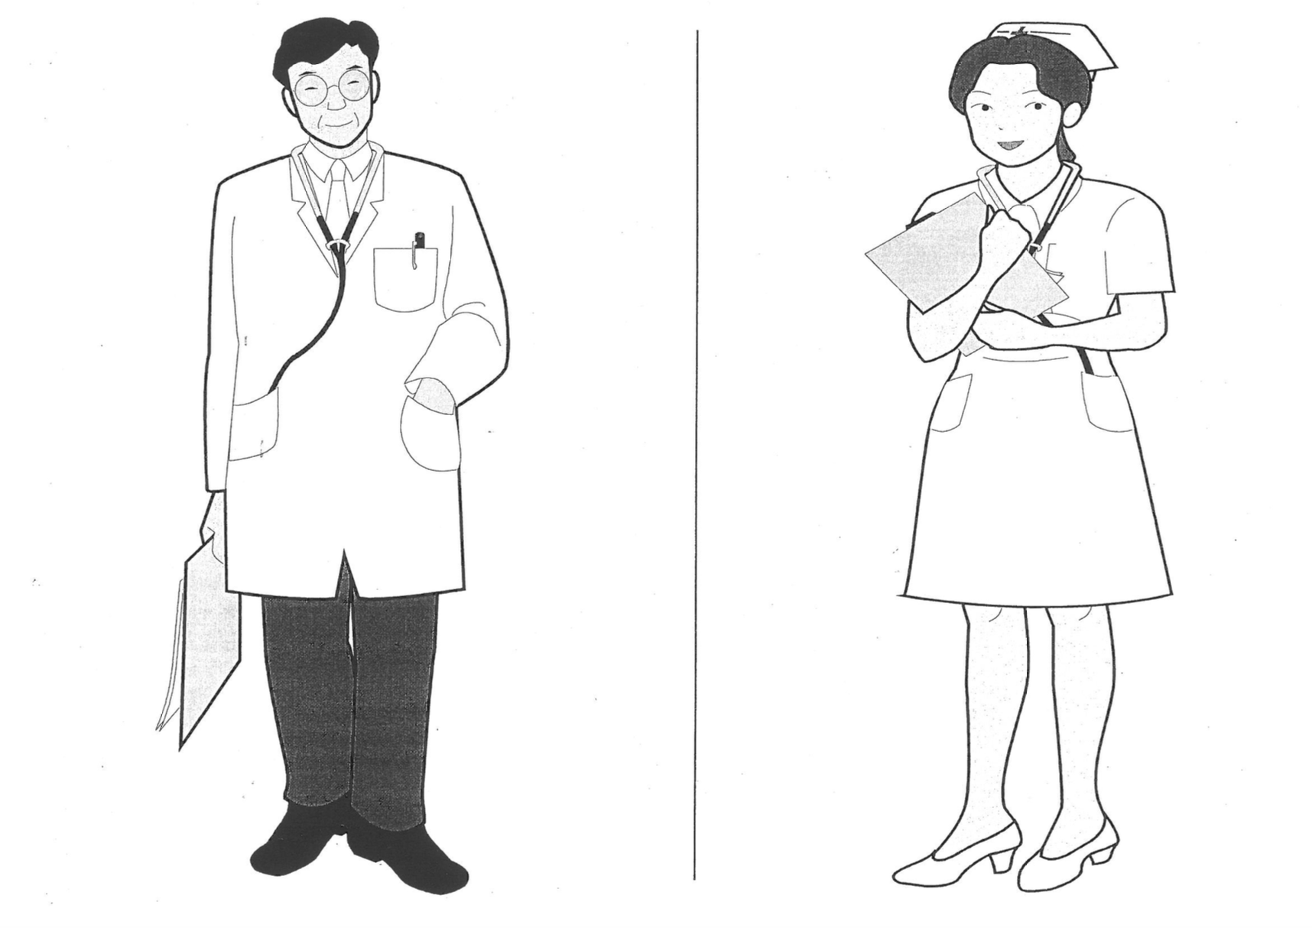
 | Was Q8 answered correctly? | Radio | Yes | - | - | Yes (Answered correctly) | No (Answered incorrectly) |  |  |  |  |  |  |  |  | Dr Consult Summary | Mental Health (AMT)
 | 9) Count backwards from 20 to 1. 请您从二十开始，倒数到一。 | Small Label | Yes | - | - | - | - |  |  |  |  |  |  |  |  | Dr Consult Summary | Mental Health (AMT)
 | Was Q9 answered correctly? | Radio | Yes | - | - | Yes (Answered correctly) | No (Answered incorrectly) |  |  |  |  |  |  |  |  | Dr Consult Summary | Mental Health (AMT)
 | 10) Recall memory phase 请您把刚才我要您记住的地址重复一遍。 | Small Label | Yes | - | - | - | - |  |  |  |  |  |  |  |  | Dr Consult Summary | Mental Health (AMT)
 | Was Q10 answered correctly? | Radio | Yes | - | - | Yes (Answered correctly) | No (Answered incorrectly) |  |  |  |  |  |  |  |  | Dr Consult Summary | Mental Health (AMT)
 | AMT Total Score: __/10 | todo | Yes | - | - | - |  |  |  |  |  |  |  |  |  | Dr Consult Summary | Mental Health (AMT)
 | What is your education level? | Radio | Yes | - | - | 0 to 6 years of education | More than 6 years of education |  |  |  |  |  |  |  |  | Dr Consult Summary | Mental Health (AMT)
 | Need referral to cognitive - 2nd Tier Screening ? | Radio | Yes | - | - | Yes | No |  |  |  |  |  |  |  |  | Dr Consult Summary | Mental Health (AMT)
 | Referral to cognitive - 2nd Tier Screening | Radio | Yes | - | - | Yes | No

